Access Request
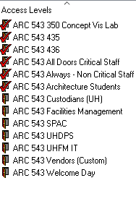
PeopleSoft Number | First Name | Last Name | Access To (Drop down menu) | Deactivate on: | Access Level Types :
For example: '000173345 | Jane | Doe | ARC 543 350 Concept Vis Lab | 2022-03-20

